Sheet1
Using React

 | First you can select to show on folder and click to url path to type cmd

 | Enter following command on terminal
 |  | npx create-react-app my-web-page

 | Output Is :
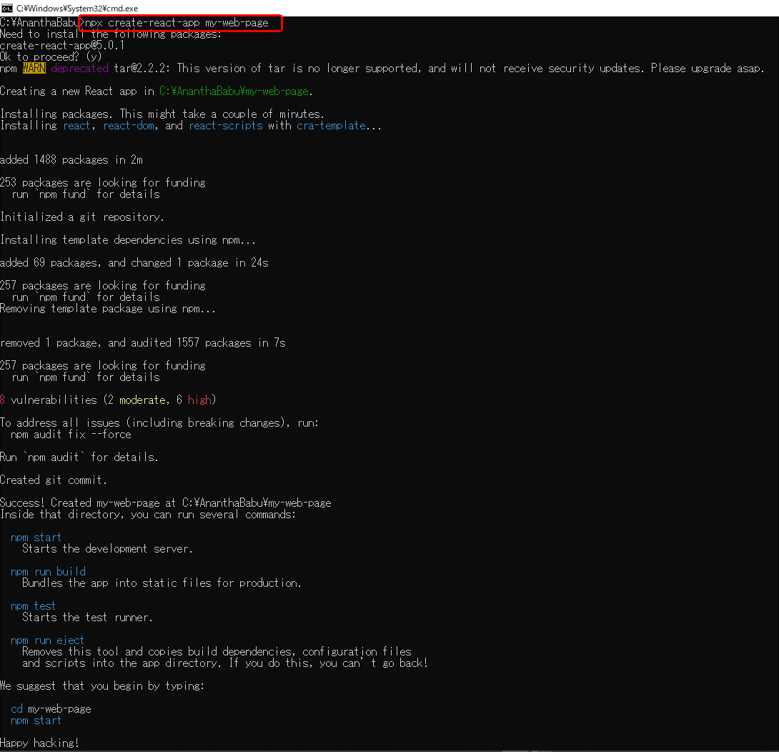

 | Then open to visuval code to open this folder to seen on following image
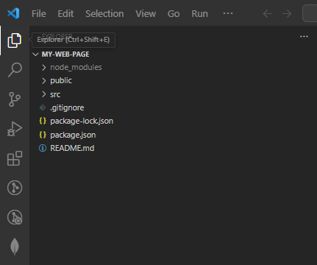

 | Install Additional Packages:
 |  | You might need additional packages for styling and managing routes. You can install them using npm or yarn.
 |  |  | npm install react-router-dom
 | Create Components:
 |  | Break down your web page into components. For instance, you might have a header component, footer component, and main content component.

 | Add Routing:
 |  | If your web page has multiple pages, you can use React Router to handle routing.
 |  | Define routes for different pages in your App.js file.

 | Implement Responsive Design:
 |  | To make your web page responsive, you can use CSS frameworks like Bootstrap, Material-UI, or write custom CSS with media queries.
 |  | These frameworks provide components and utilities that adapt to different screen sizes automatically.

 | Test and Debug:
 |  | Test your web page in both mobile and desktop browsers to ensure that it looks and works as expected.
 |  | You can use browser developer tools to simulate different device sizes and debug any issues.

 | Here's a simple example of how your App.js file might look like:
 |  | import React from 'react';
 |  | import { BrowserRouter as Router, Route, Switch } from 'react-router-dom';
 |  | import Header from './components/Header';
 |  | import Footer from './components/Footer';
 |  | import Home from './components/Home';
 |  | import About from './components/About';
 |  | import Contact from './components/Contact';

 |  | function App() {
 |  | return (
 |  | <Router>
 |  | <div className="App">
 |  | <Header />
 |  | <Switch>
 |  | <Route path="/" exact component={Home} />
 |  | <Route path="/about" component={About} />
 |  | <Route path="/contact" component={Contact} />
 |  | </Switch>
 |  | <Footer />
 |  | </div>
 |  | </Router>
 |  | );
 |  | }

 |  | export default App;

 | Here's a simple example of a ReactJS web application with routing and responsive design:
 |  | App.js

 |  | // App.js
 |  | import React from 'react';
 |  | import { BrowserRouter as Router, Route, Switch } from 'react-router-dom';
 |  | import Header from './components/Header';
 |  | import Footer from './components/Footer';
 |  | import Home from './components/Home';
 |  | import About from './components/About';
 |  | import Contact from './components/Contact';
 |  | import './App.css';

 |  | function App() {
 |  | return (
 |  | <Router>
 |  | <div className="App">
 |  | <Header />
 |  | <Switch>
 |  | <Route path="/" exact component={Home} />
 |  | <Route path="/about" component={About} />
 |  | <Route path="/contact" component={Contact} />
 |  | </Switch>
 |  | <Footer />
 |  | </div>
 |  | </Router>
 |  | );
 |  | }

 |  | export default App;

